Boiler inout issue
steam flowrate Inlet #1 (PV) Find the exact tag: 1st SH inlet flowrate, IF not, then approximate by [FI_1HS01_AI1_PV_CV]-[FI_1HF02_AI1_PV_CV]-[FI_1HF03_AI1_PV_CV]

 |  | flue gas temperature Inlet #1 (PV) | 想找 "進Boiler, flue gas T"
 | 鹿草廠採 "3rd SH INLET GAS TEMP" | flue gas temperature Inlet #1 (SP) |  | TI_1FG06_AI1_PV_CV 之SP點
 | 鹿草廠採 "1st SH INLET GAS TEMP" | flue gas temperature Outlet #1 (PV) | 想找 "出Boiler, flue gas T" | TI_1FG08_AI1_PV_CV
 | 鹿草廠採 "1st SH INLET GAS TEMP" | flue gas temperature Outlet #1 (SP)
 | 鹿草廠採 "節熱器煙氣出口流量" | flue gas flowrate Outlet #1 (PV)
 |  | flue gas flowrate Outlet #1 (SP)

 | Lutsao
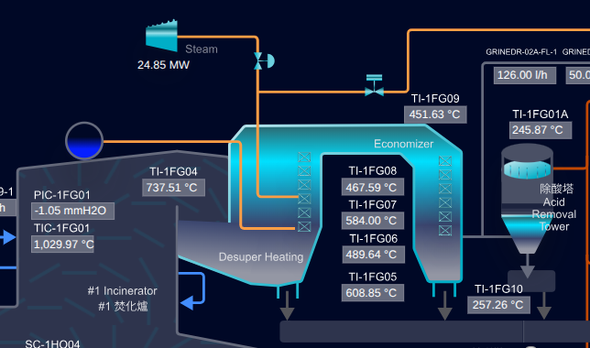
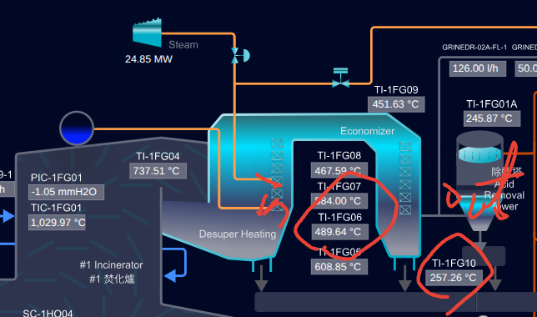

 |  |  |  | #1節熱器煙氣出口溫度#1 ECO OUTLET GAS TEMP - TI-1FG10.AI1.PV

 | RenWu
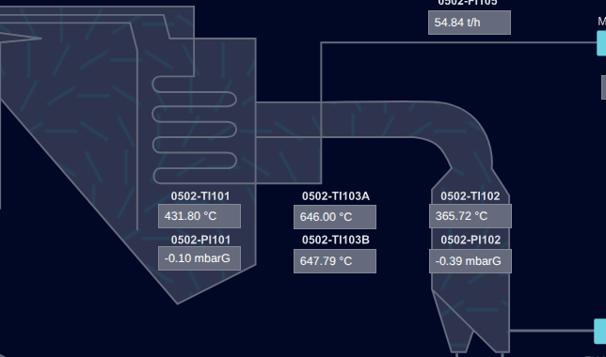
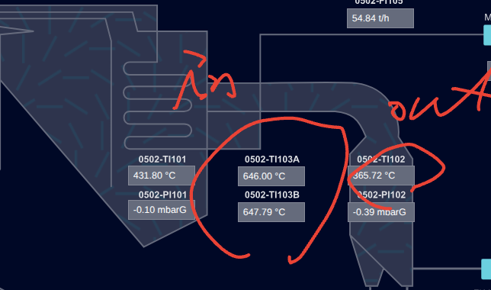

 |  |  |  | L1 4th Pass Eco. In Temp. - 0502-TI102

